17. Dynamic QR Code Analyze
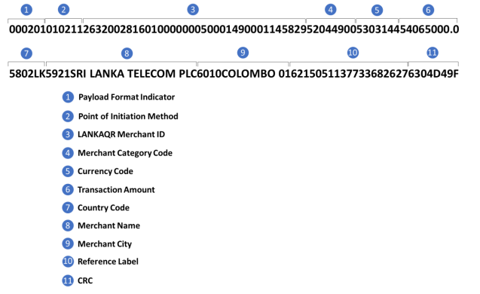
Dynamic QR Code

25. One time detail Bill
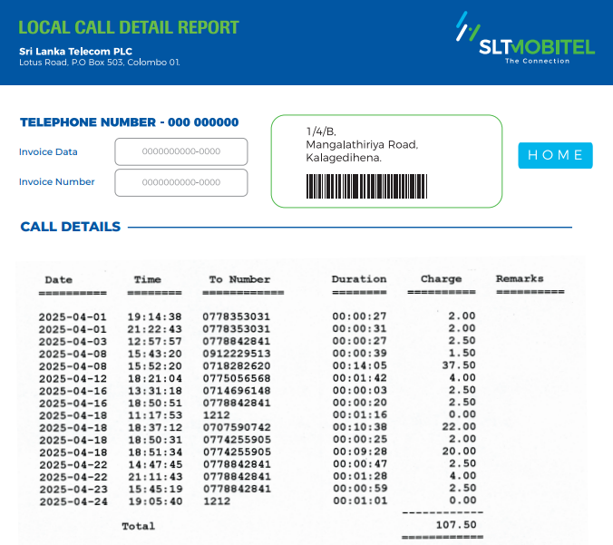
Onetime detail bill format

